Projects Home Icon
Step # |  |  | Procedure | Expected Result | Pass/Fail | Comments
1 | Login Details | Navigating through Console | Login to https://mywizardfds.accenture.com | Successful Opening of the welcome Page
2 |  |  | Click on the 'Manage' Tab | Page containing all the tiles should appear
3 |  |  | select the client by clicking on the icon on top right corner
4 |  |  | Click on 'Automation store' Tile | It should redirect to another tab in the browser where you can see the Tools Requested and the Tools provisioned for the project.
 |  | Direct Login |  | 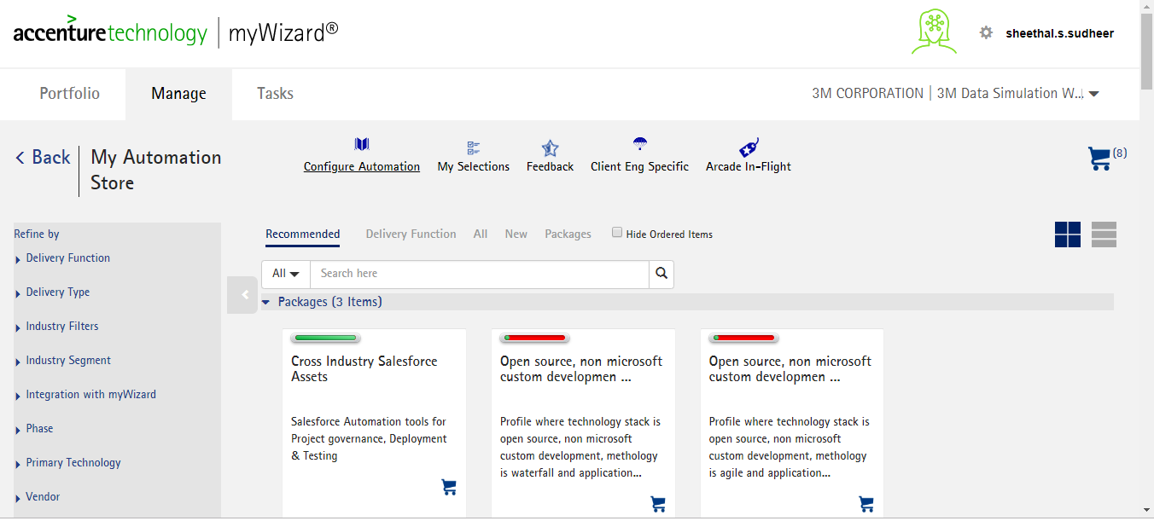
 |  |  | OR
 |  |  | https://mywizardfdsautostore.accenture.com

Functionality Testing
Step # | Procedure | Expected Result | Pass/Fail | Comments
1 | Click on the cart symbol | Verify if the tool is getting added to the cart
 |  | 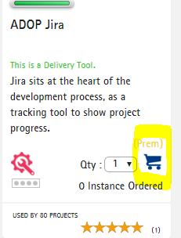

 |  | https://mywizardfdsautostore.accenture.com/store/80f8a38a-ffca-40d7-9272-98a1325fef54
2 | Select the Quantity from the dropdown | Selected number of instances should get displayed
3 | Remove added items from your cart | Added Tool has to get removed from the cart
4 | Click on the Configure Automation tile | Verify if the data is populating in all these Tiles
5 | Similarly repeat the process by clicking on the remaining tiles
 | *My Selection Tab
 | * Feedback
 | *Client Eng Specific
 | *Arcade In -Flight
 | *Delivery Function Tab

